D1
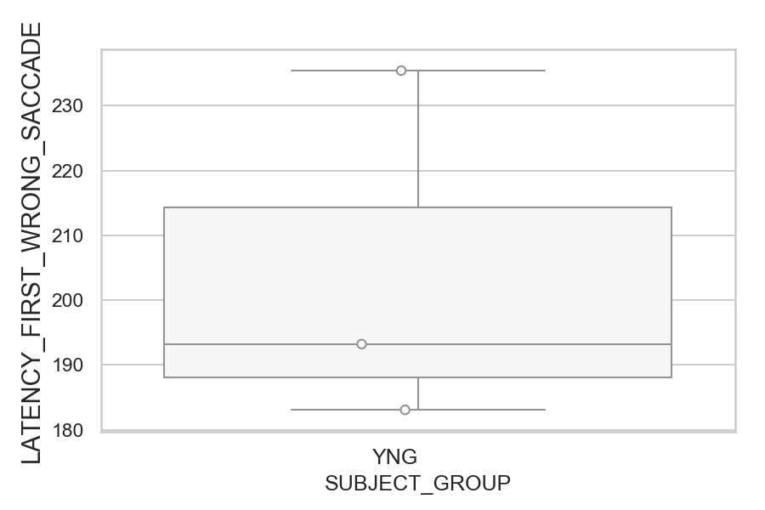
Latency of the first wrong saccade after target onset (ms)(mean latency of all trials per subject)
SUBJECT_NAME | SUBJECT_GROUP | SUBJECT_AGE | VALUE
MP1 | YNG |  | 235.4
AW002AF | YNG | 19 | 193.23076923
AW001CG | YNG | 19 | 183.09090909

D1 (types)
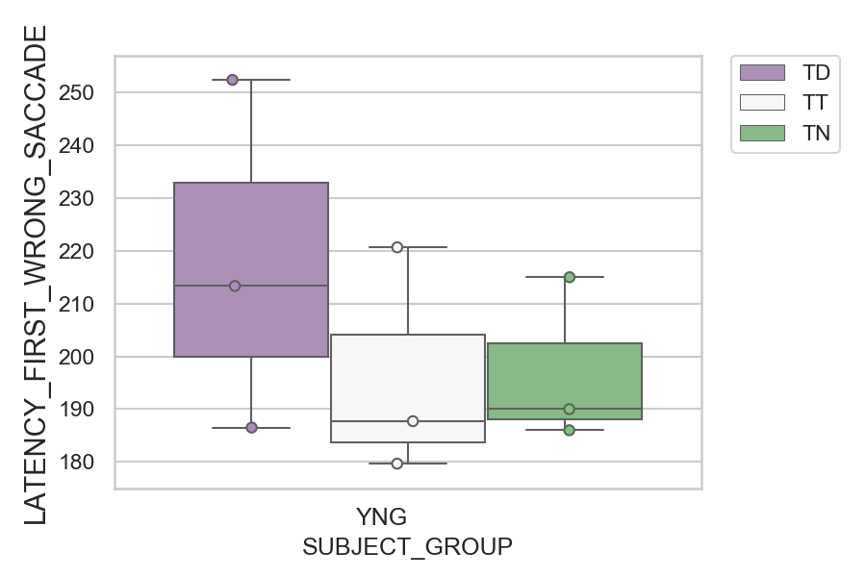
Latency of the first wrong saccade after target onset (ms)(mean latency of all trials per subject)
SUBJECT_NAME | SUBJECT_GROUP | CONDITION_APPEARANCE | SUBJECT_AGE | VALUE
MP1 | YNG | TD |  | 252.4
MP1 | YNG | TT |  | 220.66666667
MP1 | YNG | TN |  | 215
AW002AF | YNG | TD | 19 | 213.33333333
AW001CG | YNG | TN | 19 | 190
AW002AF | YNG | TT | 19 | 187.71428571
AW001CG | YNG | TD | 19 | 186.5
AW002AF | YNG | TN | 19 | 186
AW001CG | YNG | TT | 19 | 179.66666667

D2
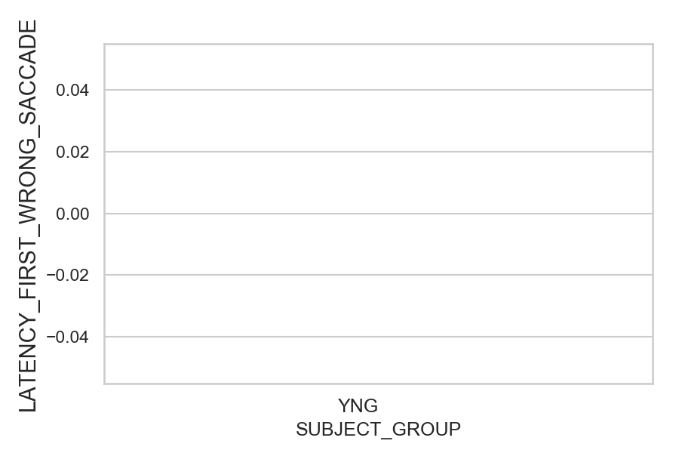
Latency of the first wrong saccade after target onset (ms)(mean latency of all trials per subject)
SUBJECT_NAME | SUBJECT_GROUP | SUBJECT_AGE | VALUE
AW001CG | YNG | 19
AW002AF | YNG | 19
MP1 | YNG

D2 (types)
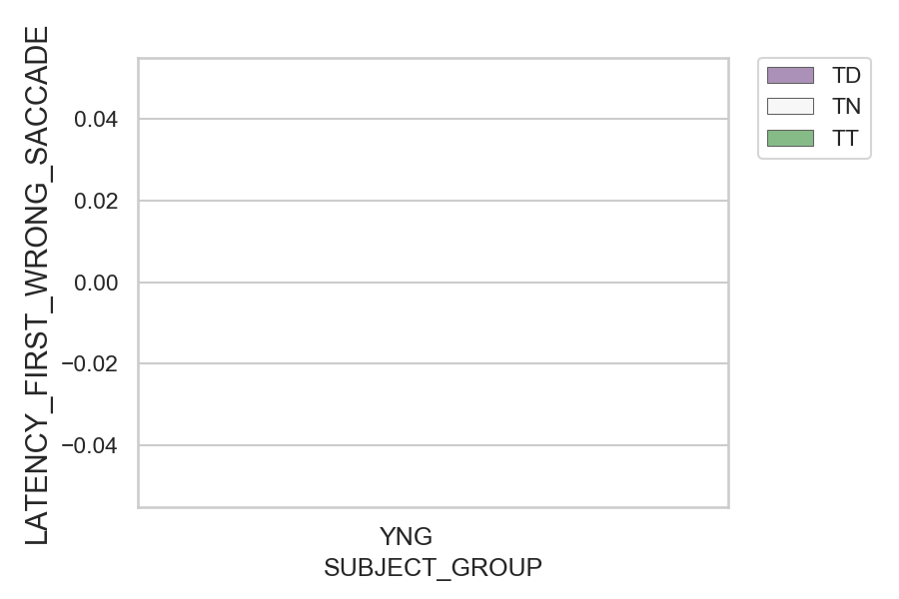
Latency of the first wrong saccade after target onset (ms)(mean latency of all trials per subject)
SUBJECT_NAME | SUBJECT_GROUP | CONDITION_APPEARANCE | SUBJECT_AGE | VALUE
AW001CG | YNG | TD | 19
AW001CG | YNG | TN | 19
AW001CG | YNG | TT | 19
AW002AF | YNG | TD | 19
AW002AF | YNG | TN | 19
AW002AF | YNG | TT | 19
MP1 | YNG | TD
MP1 | YNG | TN
MP1 | YNG | TT

